Weekly
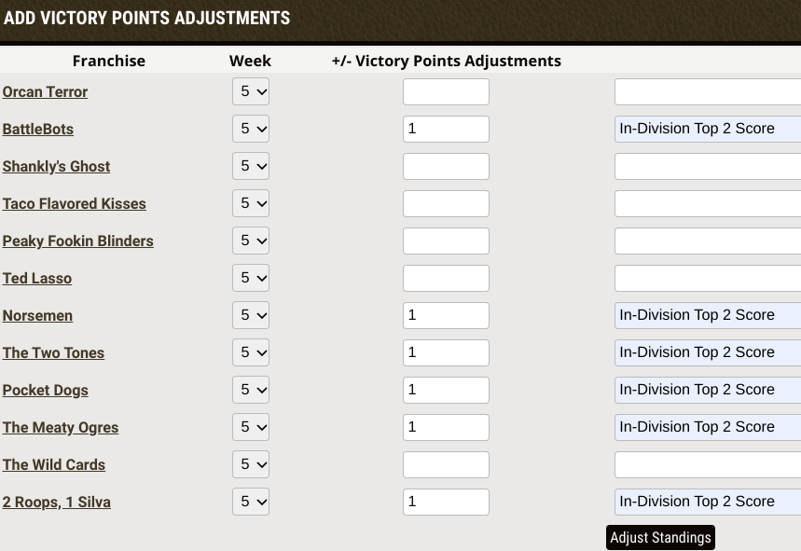
Things to do each week
Open PBR Results & Standings - confirm week's results correctly tabulated
*** After Week 5 and Week 9 see W5,W9 instead of below
Using the Results above, assign VP for each team
 | Go to Victory Points Adjustor in Commissioner Setup screen
 |  | Add VP for teams and explanation (see right)
*** After Week 4 and Week 8 also do W4,W8
*** After Week 12, also do W12

Postseason
Postseason - Week 13-Week 17

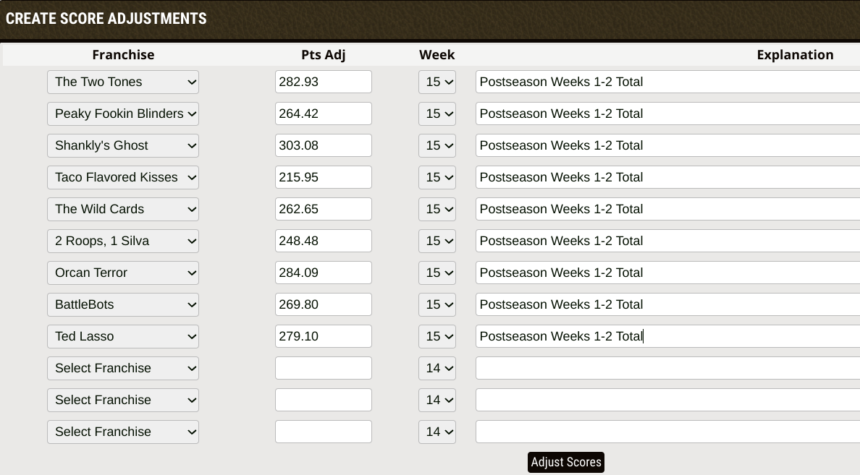
After Week 13
Make sure that final results are captured from MFL into results spreadsheet

Before Week 13
Add matchups in schedule
 | Go to
Add postseason bonus to each team
 | Look at Results and Standings sheet, Postseaon tab and get bonus for each team
 | In MFL, Adjust Scores for each team. Add "bonus" for each team that gets one.
 |  | Make sure applied to Week 13
 |  | Explanation "Postseason Bonus"

After Week 13 / Before Week 14

